Sheet1
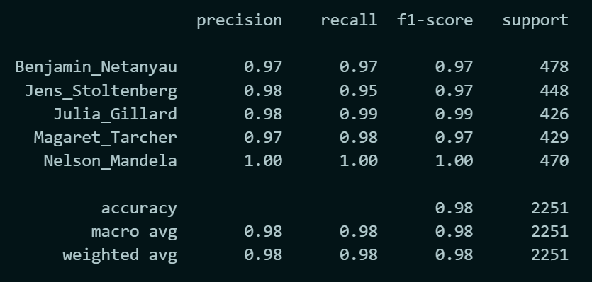
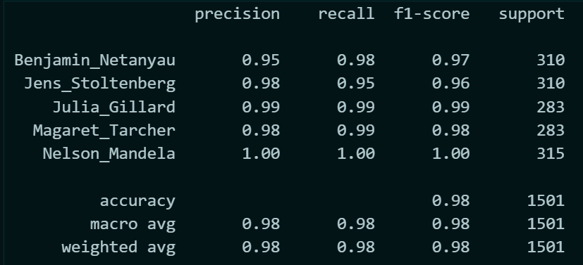
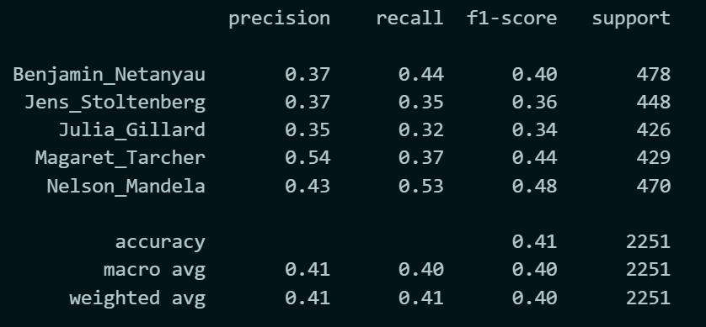
 | Test train Split | Result |  | Percentage test | Size of X | No. of class | Avg sample per class | Time per frame (s) | No. of Frame | Length of each utterance | Total time per person | Total Time in Min | Accuracy | Test train split | no. of mfccs | Accuracy | ith MFCC | Accuracy
 |  | accuracy 0.98 |  |  |  |  |  |  |  |  |  |  |  | 0.3 | 13 | 0.98
 | 0.2 | Benjamin_Netanyau 0.95 0.98 0.97 | 7501 | 0 | 7501 | 5 | 1500.2 | 0.093 | 32 | 1 | 1500.2 | 25.003333333 |  |  |  |  | 0 | 0.41
 |  | Jens_Stoltenberg 0.98 0.95 0.96 310 | 7501 | 0.2 | 6000.8 | 5 | 1200.16 | 0.093 | 32 | 1 | 1200.16 | 20.002666667 | 0.98
 |  | Julia_Gillard 0.99 0.99 0.99 283 | 7501 | 0.4 | 4500.6 | 5 | 900.12 | 0.093 | 32 | 1 | 900.12 | 15.002 | 0.97
 |  | Magaret_Tarcher 0.98 0.99 0.98 283 | 7501 | 0.6 | 3000.4 | 5 | 600.08 | 0.093 | 32 | 1 | 600.08 | 10.001333333 | 0.97
 |  | Nelson_Mandela 1.00 1.00 1.00 315 | 7501 | 0.8 | 1500.2 | 5 | 300.04 | 0.093 | 32 | 1 | 300.04 | 5.0006666667 | 0.96
 |  |  | 7501 | 0.9 | 750.1 | 5 | 150.02 | 0.093 | 32 | 1 | 150.02 | 2.5003333333 | 0.95
 |  |  | 7501 | 0.95 | 375.05 | 5 | 75.01 | 0.093 | 32 | 1 | 75.01 | 1.2501666667 | 0.92
 |  |  | 7501 | 0.98 | 150.02 | 5 | 30.004 | 0.093 | 32 | 1 | 30.004 | 0.50006666667 | 0.84
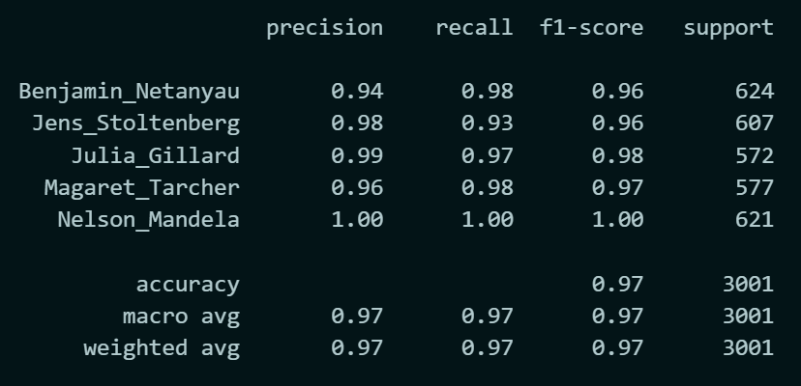
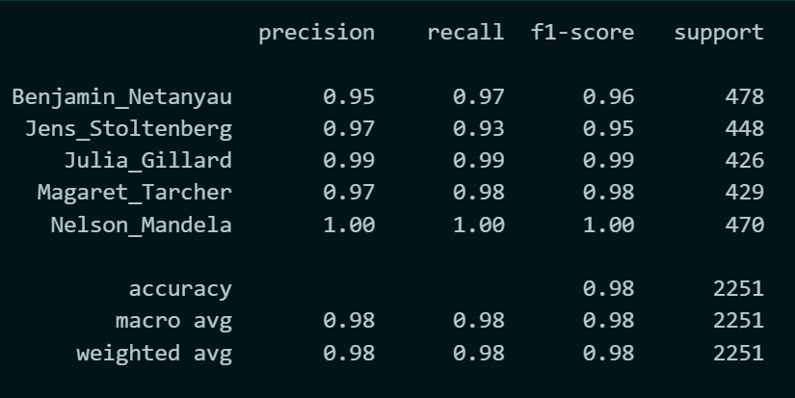
 |  |  | 7501 |  |  |  |  |  |  |  |  |  |  | 0.3 | 12 | 0.98
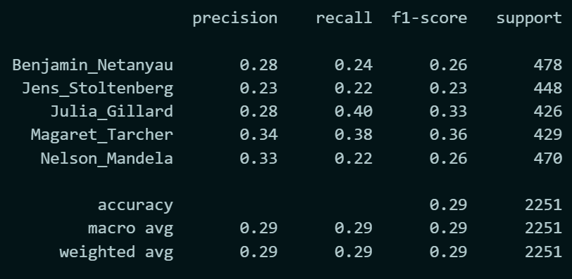
 |  |  |  |  |  |  |  |  |  |  |  |  |  |  |  |  | 1 | 0.29
 | 0.4

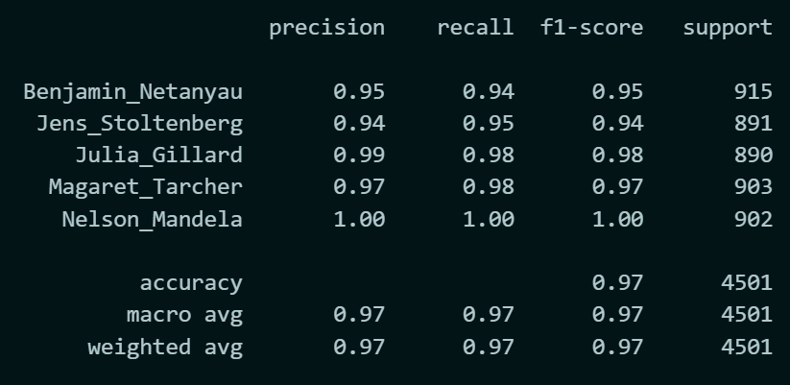
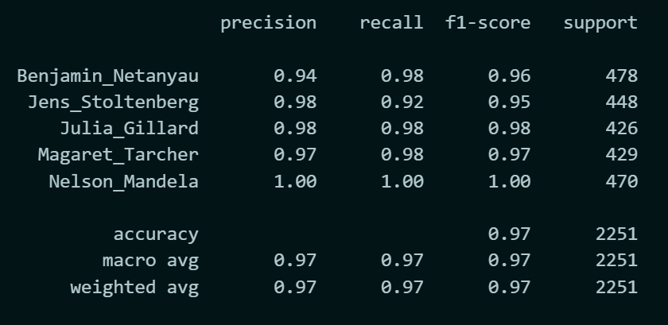
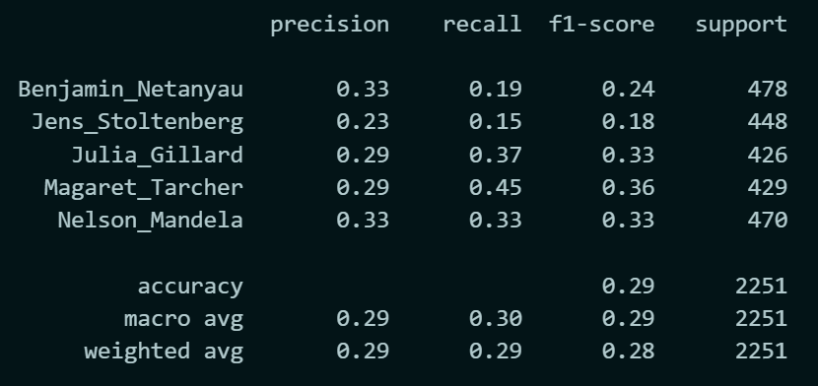
 | 0.6 |  |  |  |  |  |  |  |  |  |  |  |  | 0.3 | 11 | 0.97
 |  |  |  |  |  |  |  |  |  |  |  |  |  |  |  |  | 2 | 0.29

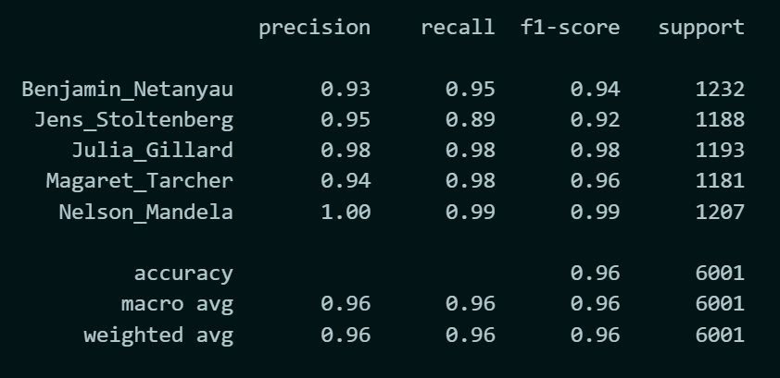

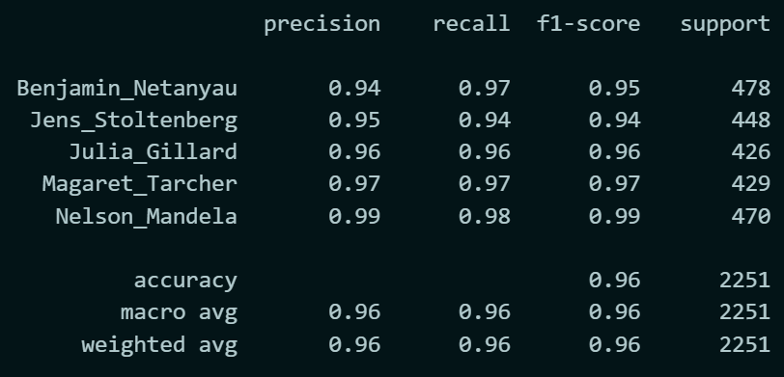
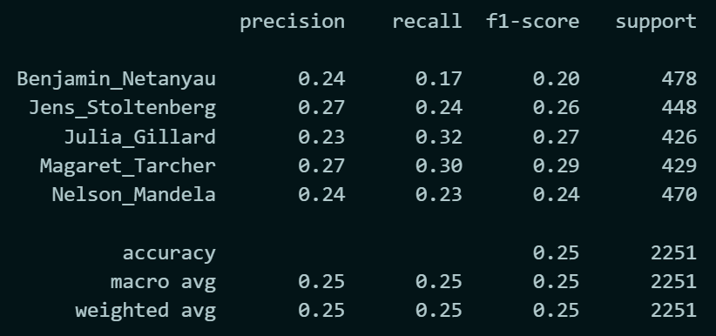
 | 0.8 |  |  |  |  |  |  |  |  |  |  |  |  | 0.3 | 10 | 0.96 | 3 | 0.25

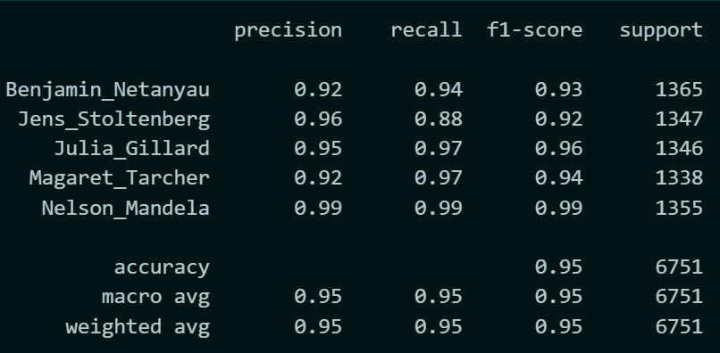
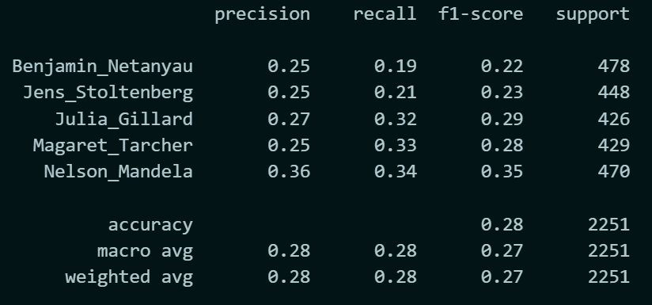
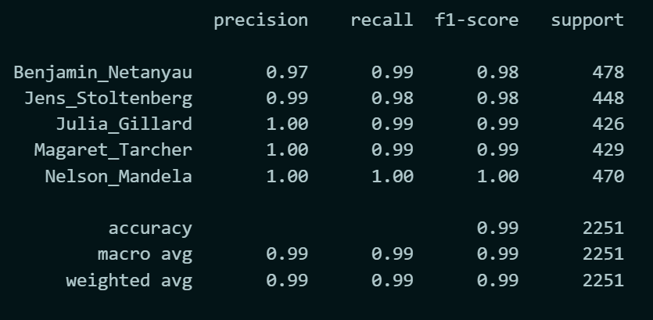
 |  |  |  |  |  |  |  |  |  |  |  |  |  |  |  |  | 4 | 0.28
 | 0.9 |  |  |  |  |  |  |  |  |  |  |  |  | 0.3 | 20 | 0.99

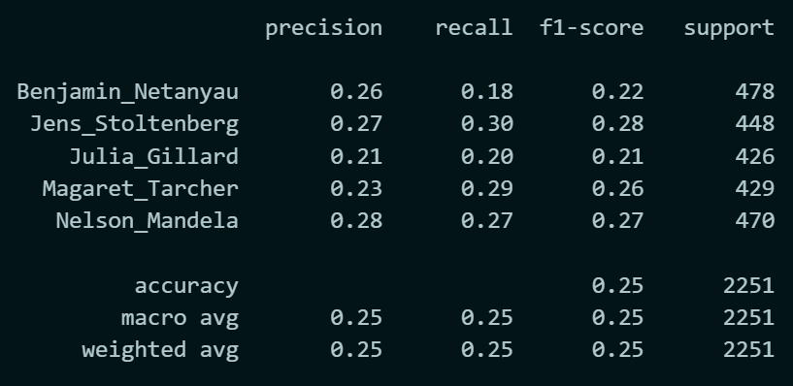
 |  |  |  |  |  |  |  |  |  |  |  |  |  |  |  |  | 5 | 0.25
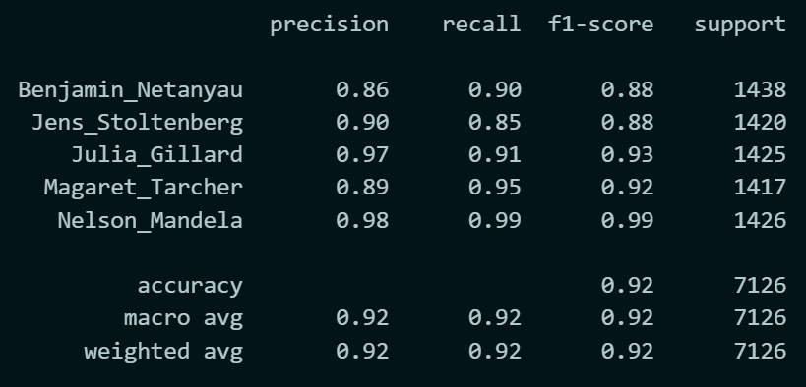

 | 0.95 |  |  |  |  |  |  |  |  |  |  |  |  | 0.3 | 29 | 0.99

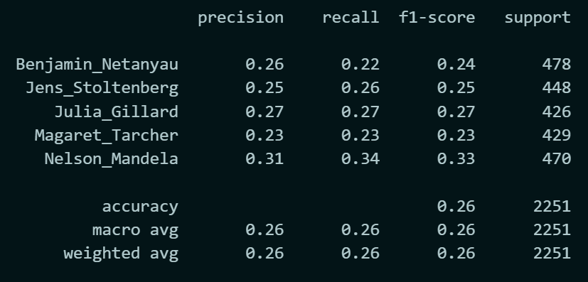
 |  |  |  |  |  |  |  |  |  |  |  |  |  |  |  |  | 6 | 0.26

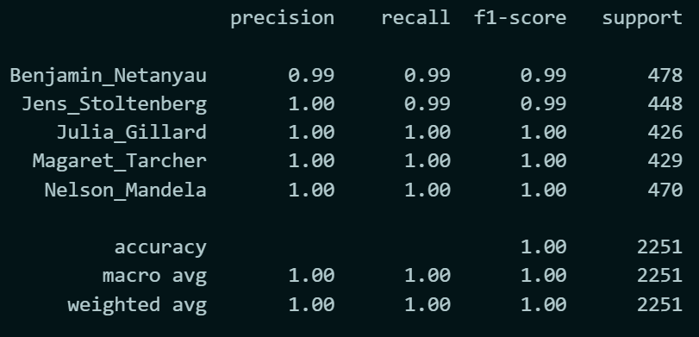
 |  |  |  |  |  |  |  |  |  |  |  |  |  | 0.3 | 39 | 1

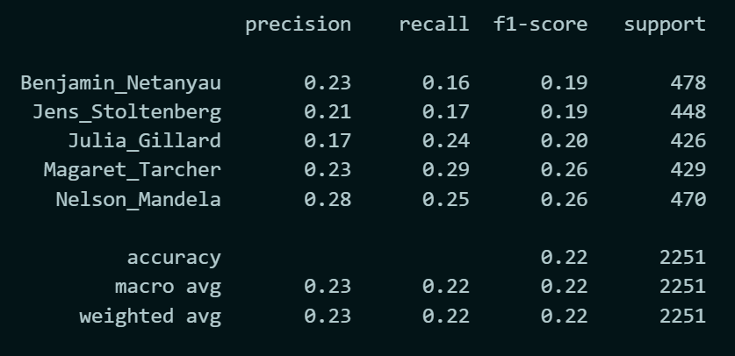
 |  |  |  |  |  |  |  |  |  |  |  |  |  |  |  |  | 13 | 0.22

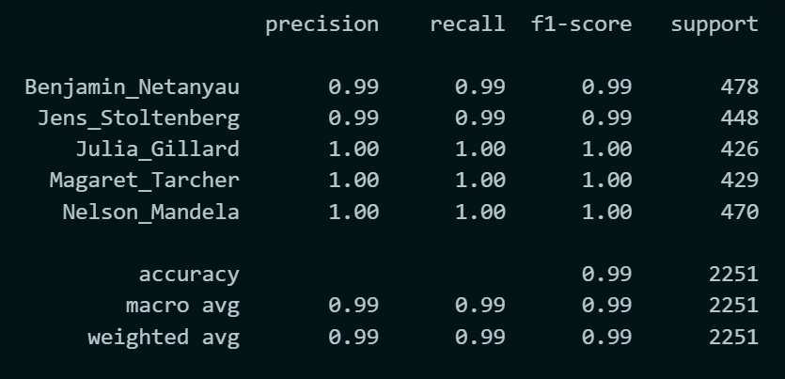
 | MFCC with more speaker size |  |  |  |  |  |  |  |  |  |  |  |  | 0.3 | 49 | 0.99

Time per speaker | Number of Speaker | Result | Accuracy | Fitting Report
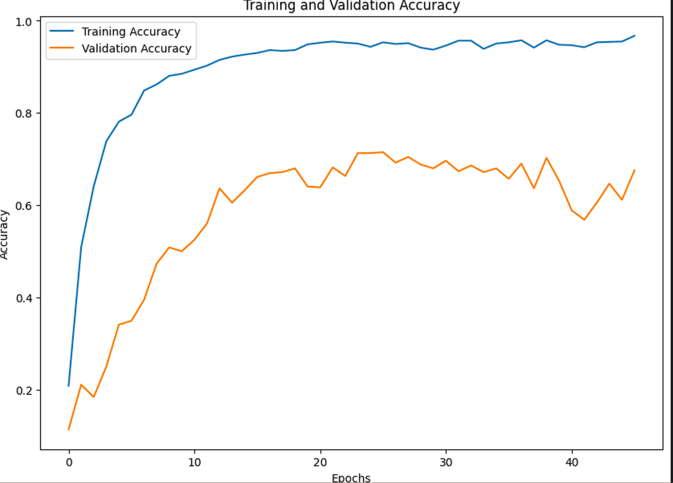
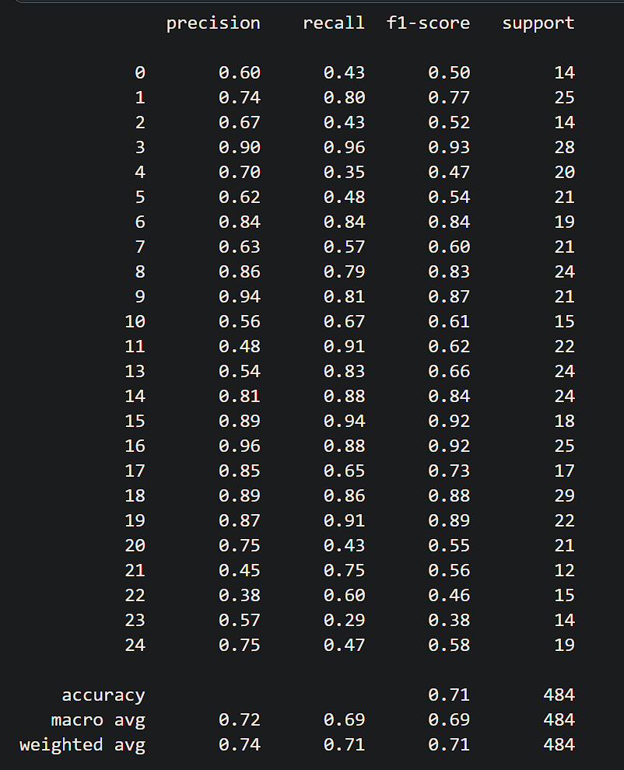
60 | 25 |  | 71


 |  |  |  |  |  |  |  |  |  |  |  |  |  |  |  |  | 14 | 0.3

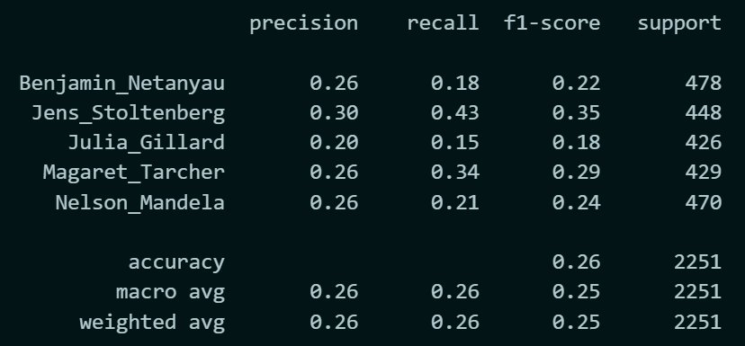
 |  |  |  |  |  |  |  |  |  |  |  |  |  |  |  |  | 15 | 0.26

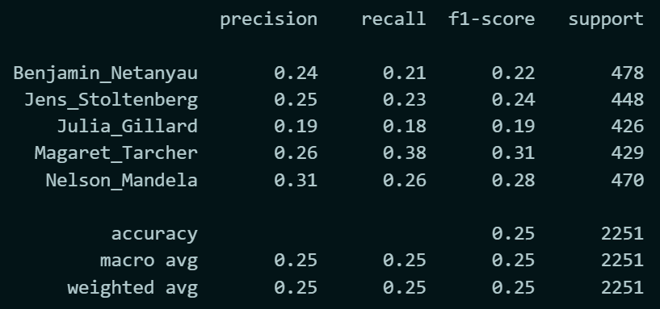
 |  |  |  |  |  |  |  |  |  |  |  |  |  |  |  |  | 26 | 25

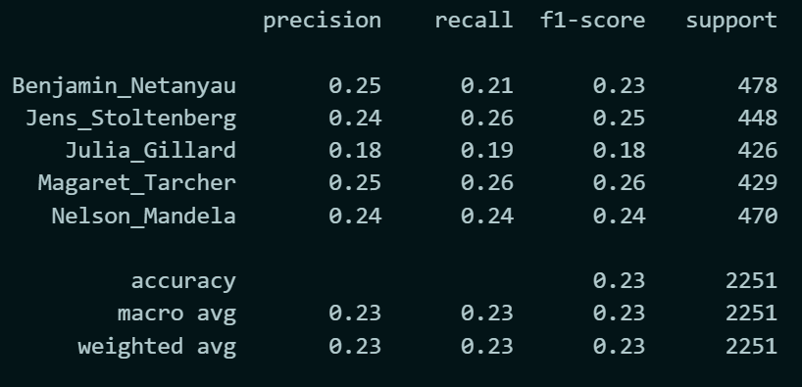
 |  |  |  |  |  |  |  |  |  |  |  |  |  |  |  |  | 27 | 0.23


 |  |  |  |  |  |  |  |  |  |  |  |  |  |  |  |  | 28 | 0.26

